D1
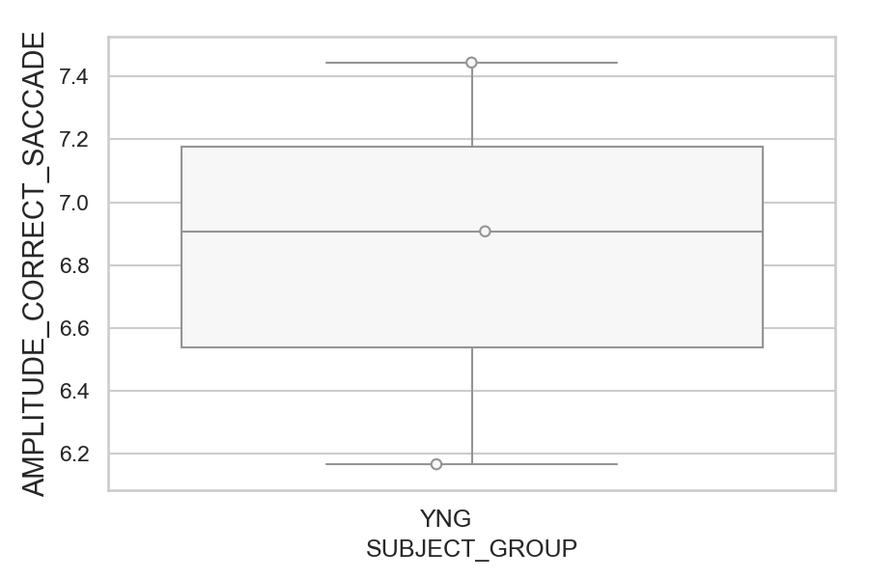
Amplitude of the correct saccade (degrees) (mean of all trials per subject)
SUBJECT_NAME | SUBJECT_GROUP | SUBJECT_AGE | VALUE
AW001CG | YNG | 19 | 7.4444394529
AW002AF | YNG | 19 | 6.90767221
MP1 | YNG |  | 6.1669066719

D1 (types)
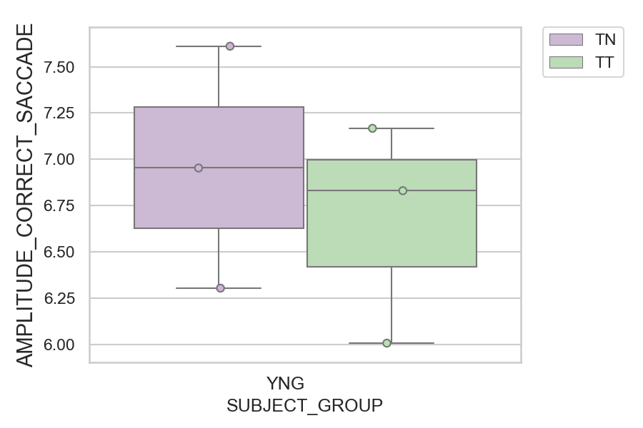
Amplitude of the correct saccade (degrees) (mean of all trials per subject)
SUBJECT_NAME | SUBJECT_GROUP | CONDITION_APPEARANCE | SUBJECT_AGE | VALUE
AW001CG | YNG | TN | 19 | 7.6105478337
AW001CG | YNG | TT | 19 | 7.1675921514
AW002AF | YNG | TN | 19 | 6.9536371325
AW002AF | YNG | TT | 19 | 6.8310640059
MP1 | YNG | TN |  | 6.3053339317
MP1 | YNG | TT |  | 6.0087040893

